Sheet1
Alifaain Product Category

 |  |  |  | S.No | CATEGOTRY | No. Of Items
 |  |  |  | 1 | MOROCCO | 19
 |  |  |  | 2 | KOREA | 23
 |  |  |  | 3 | SUPPLEMENTS | 2
 |  |  |  | 4 | Clothing | Coming soon
 |  |  |  | 5 | Fragnances | Coming soon
 |  |  |  | 6

S.No | Morocco |  |  | S.No | Korea |  |  | S.No | Supplements
 | Product Name | Product Image | Description |  | Product Name | Product Image | Description |  | Product Name | Product Image | Description
1 | Beldi Soap | 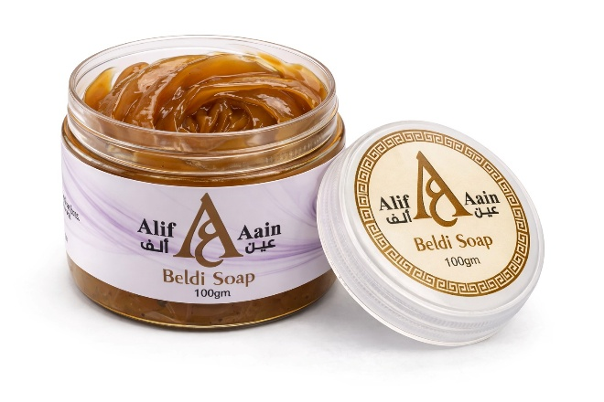 |  | 1 | Skin 1004 Centella Ampoule |  |  | 1 | Feel Great Bulk Pack - 30 Days | 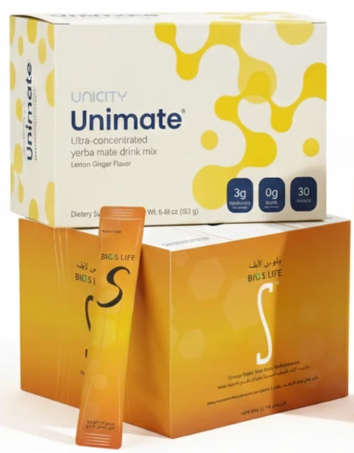
2 | Kessa Glove | 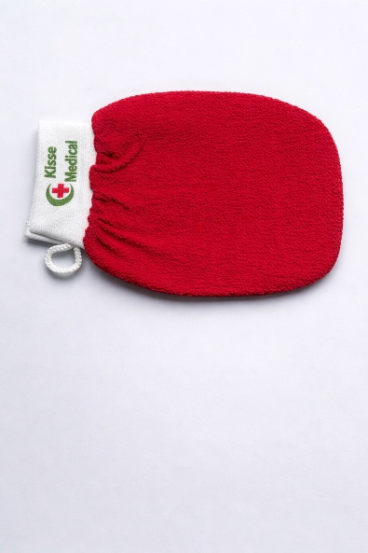 |  | 2 | Skin 1004 Centella Toning Toner | 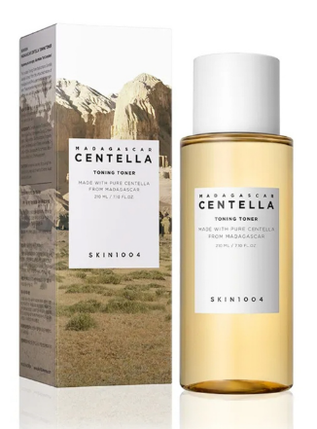 |  | 2 | Shilajit
3 | Kessa for Back |  |  | 3 | Skin 1004 Centella Ampoule Foam
4 | Tbrima Powder | 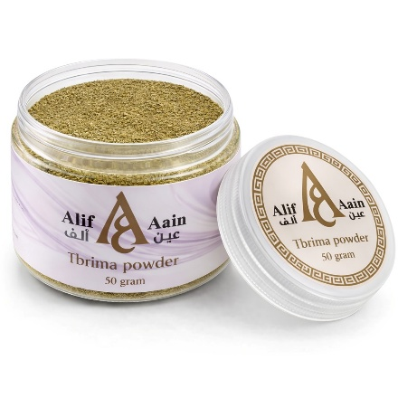 |  | 4 | Skin 1004 Centella Hyalu- Cica water- fit sun serum
5 | Ghassoul Clay | 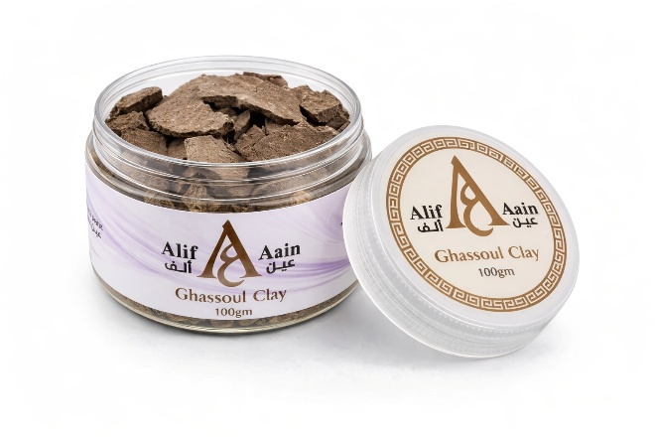 |  | 5 | Skin 1004 Centella Hyalu- Cica Brightening Toner | 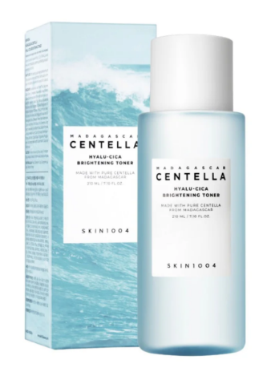
6 | Nila Powder | 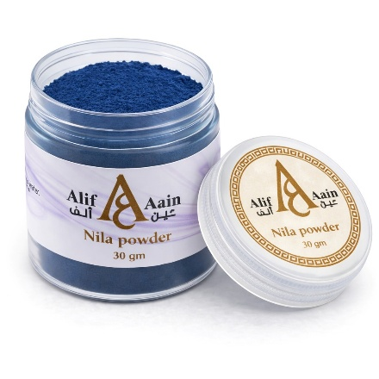 |  | 6 | Skin 1004 Centella Probio- Cica Intensive Ampoule
7 | Aker Fassi | 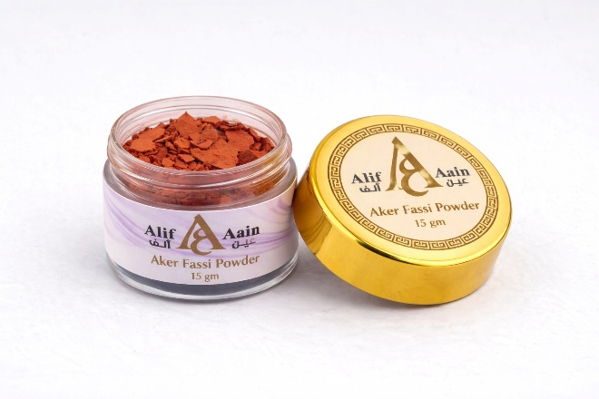 |  | 7 | Skin 1004 Centella Tea- Trica Purifying Toner
8 | Feet Clay M'hekka (1 Piece) | 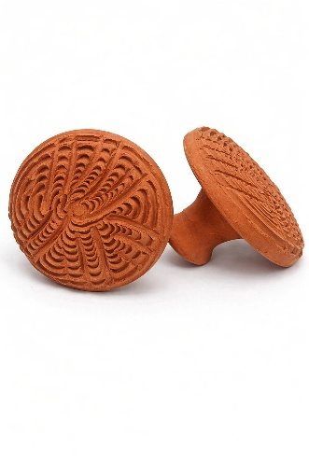 |  | 8 | Skin 1004 Centella Poremizing Fresh Ampoule | 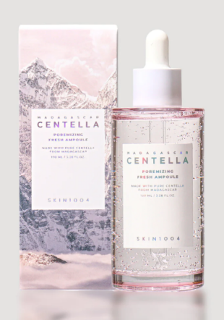
9 | Face M'hekka (1 Piece) | 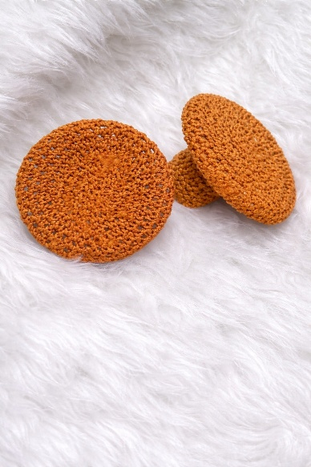 |  | 9 | Skin 1004 Centella Tone Brightening Capsule Ampoule | 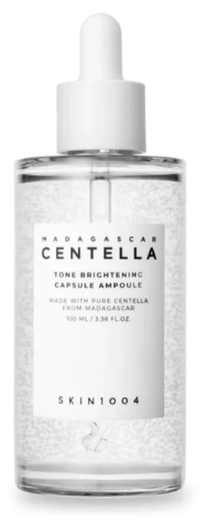
10 | Nila Face Mask | 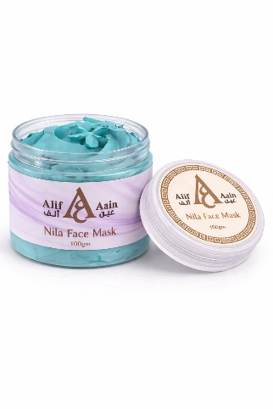 |  | 10 | Skin 1004 Centella Madagascar Travel Kit | 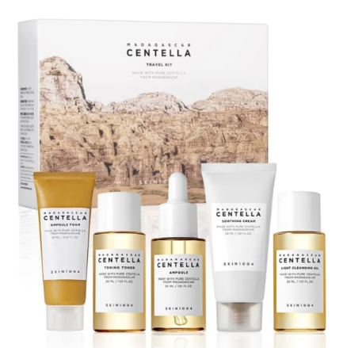
11 | Charcoal Face Mask |  |  | 11 | Skin 1004 Centella Ampoule Kit | 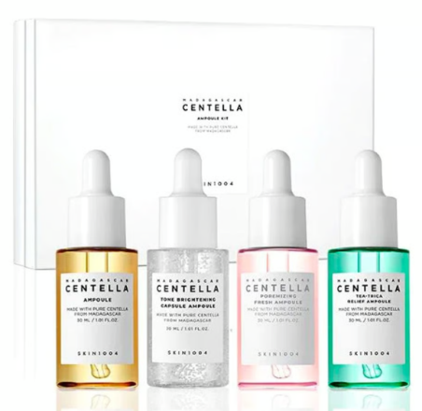
12 | Snail and Shell Face Mask |  |  | 12 | Skin 1004 Centella Air- Fit Suncream Light
13 | Nila Soap Bar |  |  | 13 | Skin 1004 Centella Hyalu- Cica Silky- Fit Sun Stick | 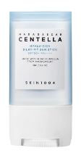
14 | Donkey Milk Soap Bar |  |  | 14 | Skin 1004 Madagascar Centella Niacinamide 10 Boosting Shot Ampoule | 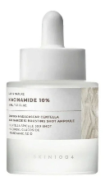
15 | Goat Milk Soap Bar |  |  | 15 | Skin 1004 Madagascar Centella Retinol 0.2 Boosting Shot Ampoule | 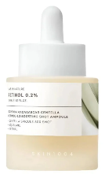
16 | Camel Milk Soap Bar |  |  | 16 | Skin 1004 Centella Poremizing Light Gel Cream | 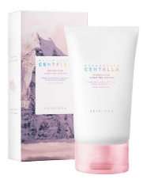
17 | Argan Oil |  |  | 17 | Dr. Althea 345 Relief Cream
18 | Prickly Pear Oil |  |  | 18 | Dr. Althea 147 Barrier Cream
19 | Sidr Powder |  |  | 19 | Dr. Althea Aqua Marine Watery Cream
 |  |  |  | 20 | Dr. Althea Pure Grinding Cleansing Balm | 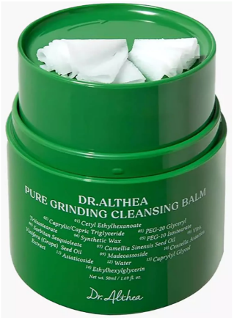
 |  |  |  | 21 | Dr. Althea PDRN Reju Cream
 |  |  |  | 22 | Dr. Althea Gentle Vitamin C Serum
 |  |  |  | 23 | Dr. Althea Skin Relief Essence

